In Process Inspections
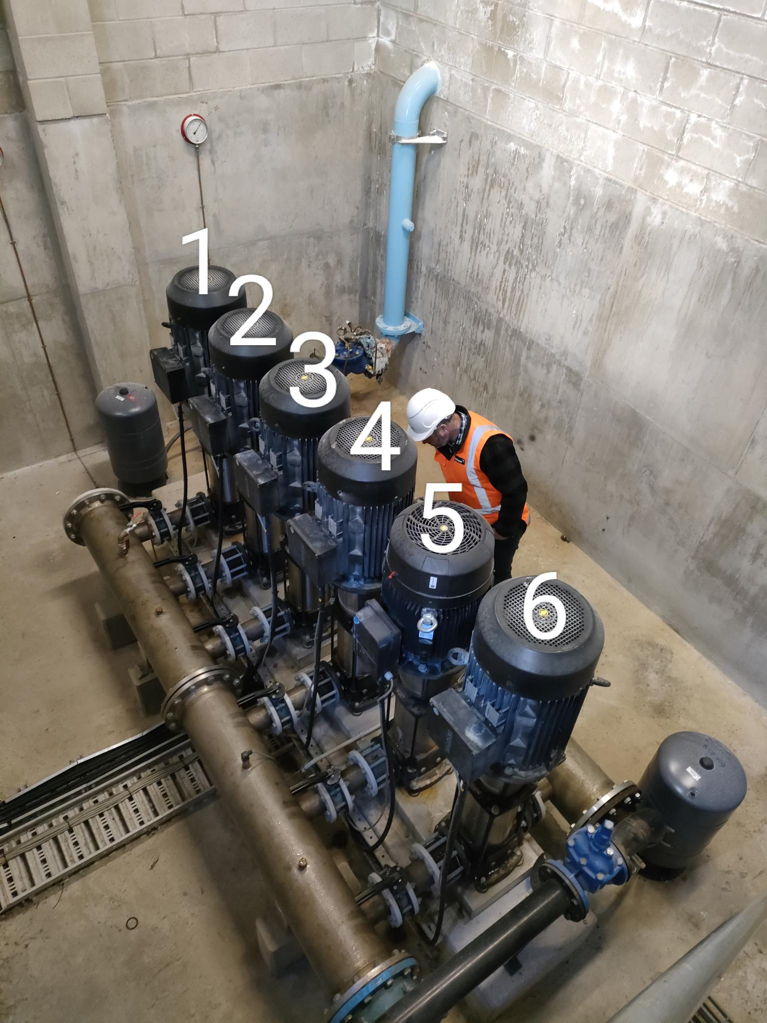
SECTION 4 – IN-PROCESS INSPECTIONS Insert additional or delete unused rows as required. Include reference to specification.
Item No. | Activity/ Task Description | Inspection Point: Quality Control Activity | Acceptance Criteria | Verifying Document | Frequency | Inspection Type (Visual, other) | Inspection
 |  |  |  |  |  |  | Key | By (Role Key)
4.1 | Electrically Isolate Pump 4 at Control Cabinet. Ensure no issues with Grundfos Controller. | Isolation is applied to Pump 4 and existing VFD | VFD confirmed to no longer have a voltage on input, sufficient time has passed to allow stored energy to dissipate. (Estimated time 10 minutes) | This ITP | Once | Visual | I | IP
4.2 | Electrically disconnect Pump 4 | All electrical connections are removed | Remaining 5 pumps are functioning correctly, Pump 4 disconnected, no voltage on cabling. | This ITP | Once | Visual | I | IP
4.3 | Remove Pump 4 Cable from Motor to VFD | Cables Disconnected from Drive and Pump 4, Cable Removed From Support System | All mechanical & Electrical disconnections are completed (Pump 4). | This ITP | Once | Visual | I | IP
4.6 | Remove Pump 4 VFD | VFD Removed from Wall and redundant fasteners removed | Wall is clear of obstructions in preparation for new VFD install | This ITP | Once | Visual | I | IP
4.7 | Mount new Pump 4 VFD | new VFD mounted to wall on Unistrut | VFD mounted securely, Spacings compliant with manufacturers requirements. | This ITP | Once | Visual | I | IP
4.8 | Remove VFD 4 Feed Cabling and Isolators | Cabling Removed From Cabinet and cable trays. | Cables Removed, isolators disconnected and removed from wall. | This ITP | Once | Visual | I | IP
4.9 | Install new supply cabling and isolators for VFD 4 | Cables installed and run into cabinet, isolators and VFD 4 is prepped and tested | Cables run and secured correctly, cables verified via point to point testing, insulation and resistance tests. | Cable Test Sheets | Once per pump | Visual | I | IP
4.10 | Terminate Cabling for VFD 4 | Cables fitted off into VFD 4 isolators and supply cabinet. | Cables terminated. lugs used as appropriate, Cable glands installed correctly, isolators rated for Full load current of VFD 4 | Cable Test Sheets | Once per pump | Visual | I | IP
4.11 | Remove isolations | Drives motors and isolators fit off, all covers replaced. | isolations removed circuits re-energised | Lock-out Tag out Register | Once per pump | Visual | I | IP
4.12 | Configure VFD 4 | VFD configured with assistance from Grundfos representative, pump controller adjusted for new pumps | VFD configured correctly, controller setup adjusted | VFD test sheets | Once per VFD | Visual | I | IP
4.13 | Confirm correct operation of VFD 4 and pump | VFD configured with assistance from Grundfos representative, pump controller adjusted for new pumps | VFD ramp and regulate flow rates correctly. pumps rotate in correct direction, VFDs operate correctly on controller | VFD test sheets | Once per VFD | Visual | I | IP

Note: Electrical connection of pumps and commissioning are covered in separate ITP's

